E54_hpwh
Nestle Cagayan de Oro Factory | Installation of door flap locking mechanism |  |  |  |  |  |  |  | CDOF-CP-F-XX-XXX
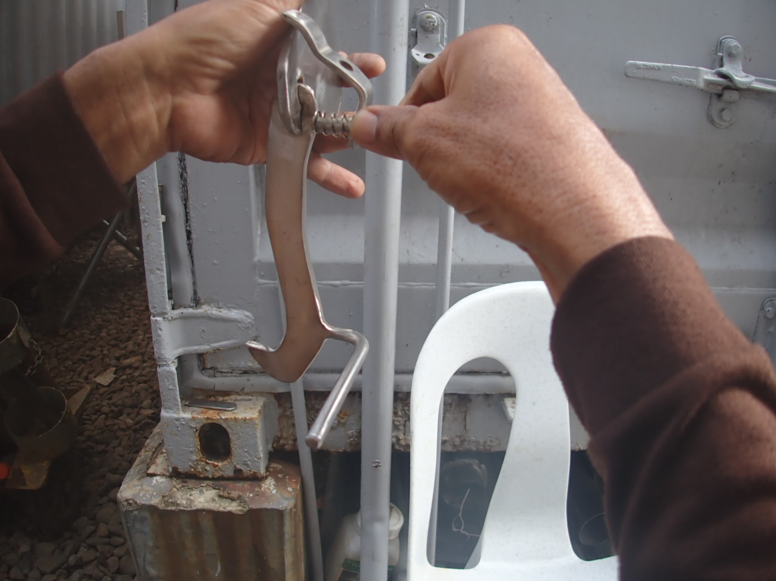 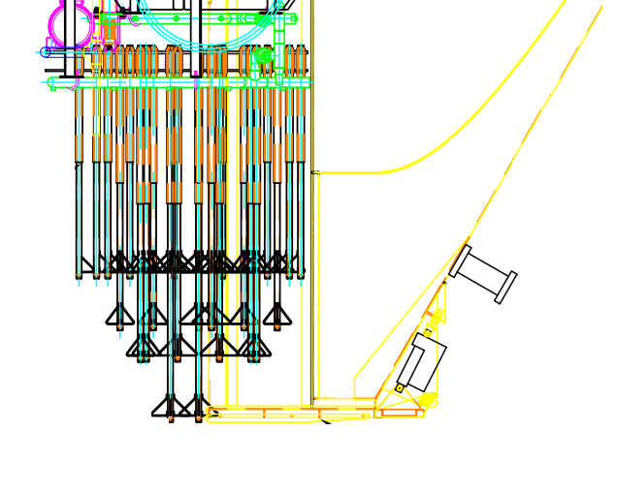
1

2

Requirement | 1 | 2 | A | B | C | D | E | F | G | REMARKS
After installation, perform loading simulation and check door flap opening tightness during travel.
Check spring bounce/compression response during operation to make sure the lock bounce back everytime the door flap closes.

NOTES: *
Performed By: |  |  | Assessed and Validated By: |  |  |  |  | Noted By:

FEDCON Representative |  |  | TBMC Site Engineer |  |  |  |  | NPI Project Engineer

